Blad1
 | ORDER |  | SUPPLIER : |  | ELITE |  | SEASON : | 2026/2 |  | YR REF : | P46W113U

 |  |  | DATE: | 2026-04-15 |  |  | PRICE : | ? | EURO | QUAL. : | CO MO EA

 |  |  | DESCRIPTION : |  | T-SHIRT V-NECK LONG SLEEVE

REFERENCE |  | HOT CORAL |  |  | SIZE : | 36 | 38 | 40 | 42 | 44 | 46 | TOTAL
P46W113 |  | AUBERGINE |  |  | 19-1724TCX | 14 | 20 | 24 | 24 | 24 | 20 | 126
 |  | NAVY |  |  | 19-3922TCX | 14 | 20 | 24 | 24 | 24 | 20 | 126
 |  | OFFWHITE |  |  |  | 14 | 20 | 24 | 24 | 24 | 20 | 126
 |  |  |  |  |  |  |  |  |  |  |  | 0
 |  |  |  |  |  |  |  |  |  |  |  | 0
 |  |  |  |  |  |  |  |  |  |  |  | 378
 |  |  |  |  |  |  |  |  |  |  |  | STYLE
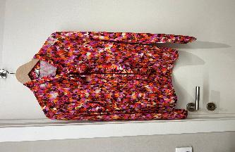

LABELS |  | SHE GOES LALA

REMARK

DELIVERY |  | June

